Architecture
 | Architectural Consideration |  | LAYERS

Functionality | Functionally complete |  | LAYERS
 | Stable |  | Security Layer
 | Responsive |  | Infrastructure & Network Layer
 | Intutive |  | Sourcing Layer
Business Continuity | Highly Available |  | Storage Layer
 | Scalable |  | Processing / Application Layer
 | Elastic |  | Database Layer
 | Disaster Recovery |  | Consumption Layer
Security | Authentication |  | Monitoring and Messaging Layer
 | Authrorization |  | Dev Ops Strategy: CI / CD Layer
 | Encription in transit |  | Data Warehousing Layer
 | Encription at rest |  | Big Data Layer
 | Cyber security |  | Machine Learning Layer
 | Privacy
Flaxiblity | Extensible |  | SECURITY
 | Portable |  | ON-PREMISE
 | Moduler |  | CLOUD
Operational Excellance | Maintainablity |  | Web Security
 | Automation |  | Network Security
 | CI/CD |  | Infrastructure Security
 | Infrastracture as code |  | Database and Data Security
 | Logging & Monitoring |  | Jurisdiction based Security
 |  |  | Client based Security

 | AWS Serverless Spectrum

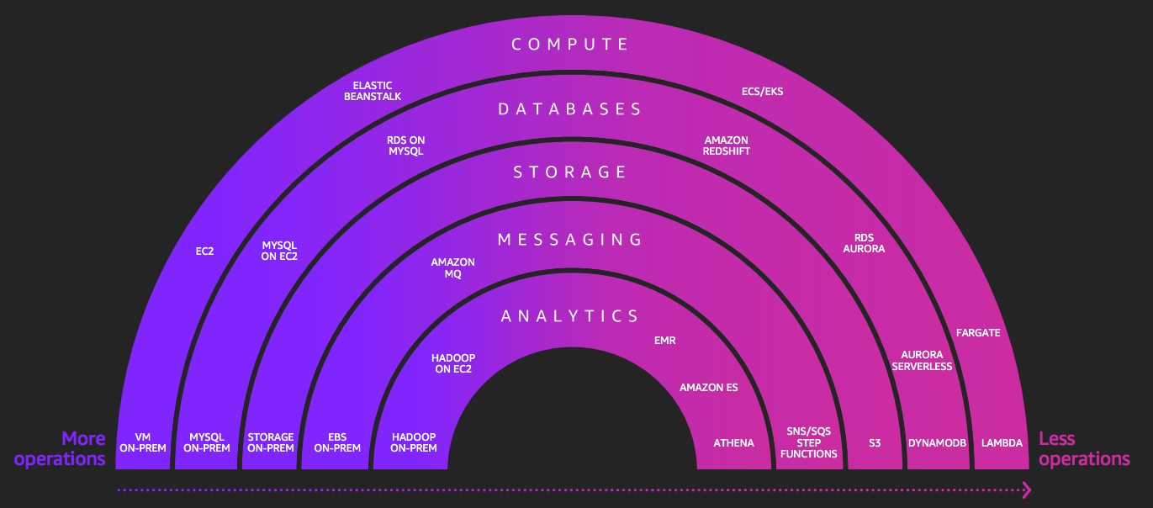

 | AWS Serverless Web Application

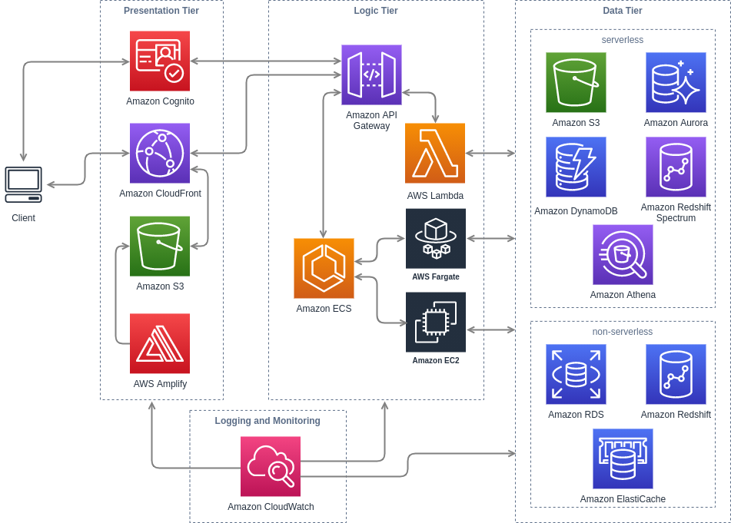

 | Advantage of Serverless | Disadvantage Of Serverless
 | Low barrier to entry | Vendor control
 | Hostless | Vendor lock-in
 | Stateless | Starup latency
 | Elasticity | Execution duration
 | Distributed | Unpredictable cost
 | Event-driven | Testing and debugging
 |  | Monitoring and observability

 | Streaming Data Analytics Reference Architecture

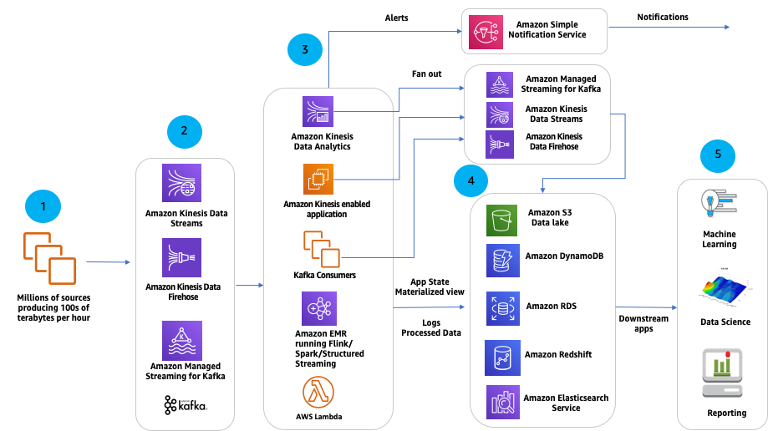

 | 1. Data Producers |  | streaming application Attributes
 | 2. Streaming Ingest |  | Scaling
 | 3. Stream Processing |  | Throtling
 | 4. Alerts, fan-out and storage |  | Fault Tolerance
 | 5. Downstream analytics |  | Reusablity
 |  |  | Monitoring

 | AWS Serverless Batch Architecture

 | Zendesk ML Model Building Pipeline on AWS Batch
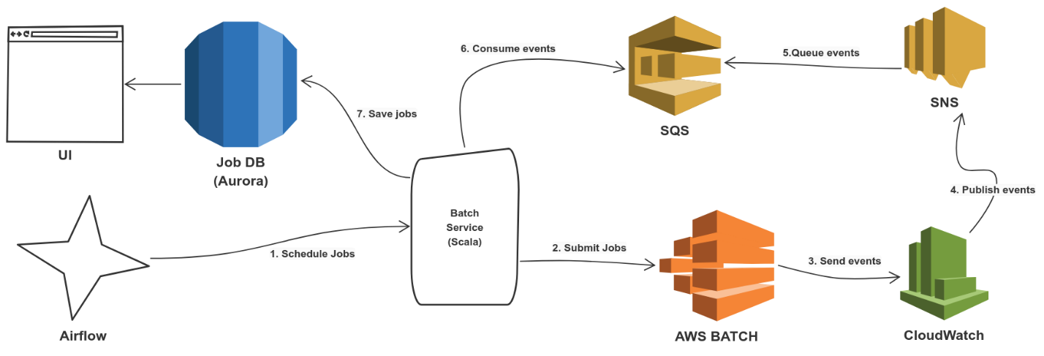

 | Deploying R models in Production w/ Apache Airflow and AWS Batch

 | AWS Batch | Step Function | Glue
 | Its cordinator and executor | Its only cordinator | Its cordinator and executor
 | Can Provision resources | Cannot provision resources | Can Provision EMR resources
 | Can Run offline workload | Cannot run script itself
 | Supports all types of workloads |  | Only spark supported sources

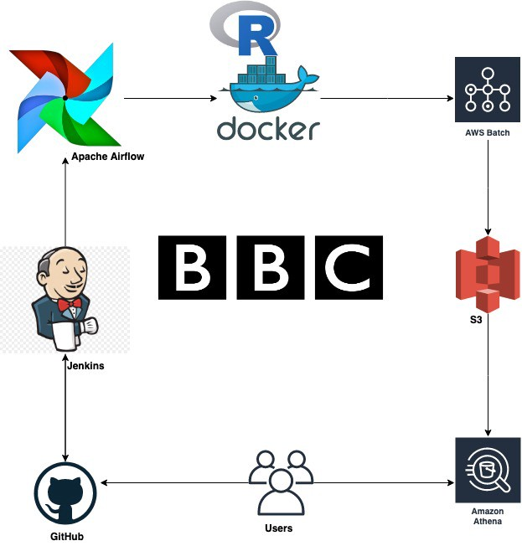

 | AWS DataLake |  |  | Serverless Datalake

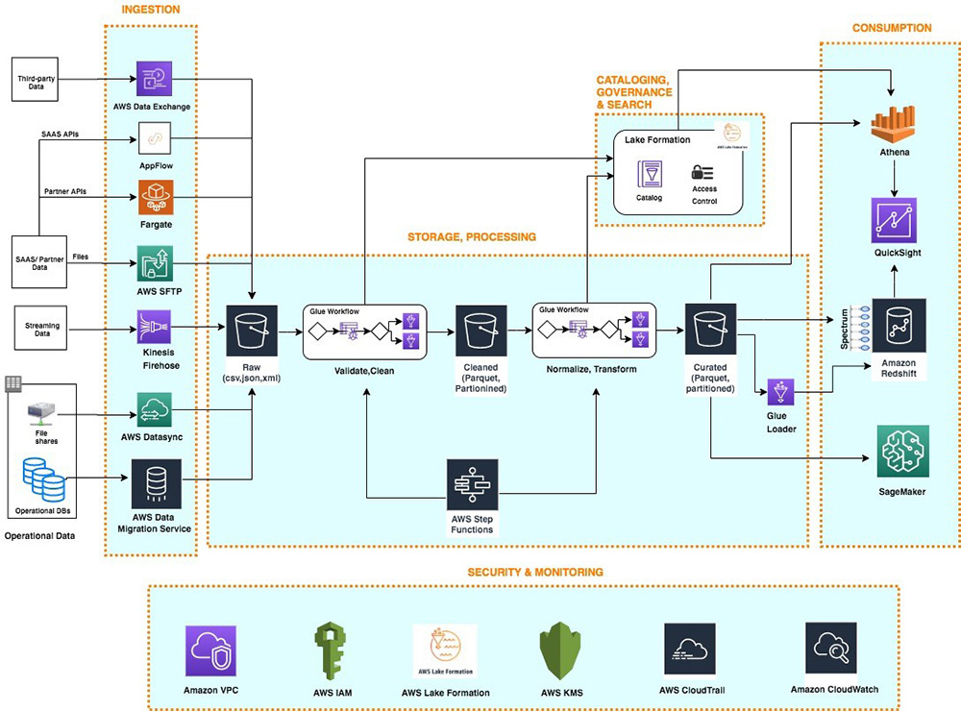
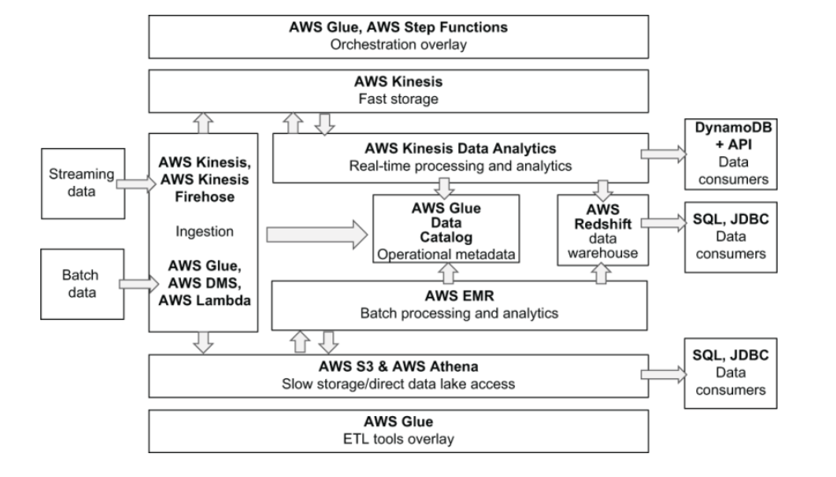

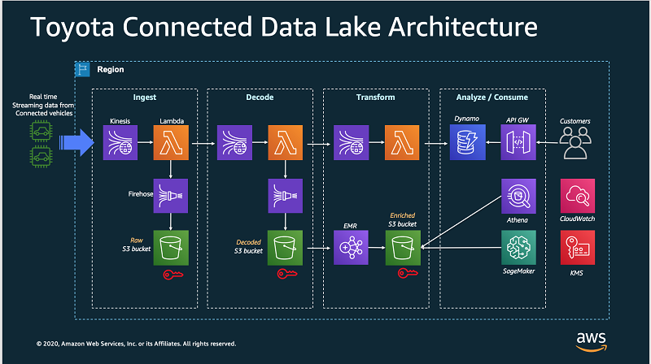

 |  |  |  | Layers
 |  |  |  | Ingestion
 |  |  |  | Storage : Fast & Slow
 |  |  |  | Processing : Real time & Batch
 |  |  |  | Data Warehouse
 |  |  |  | Operational Metadata
 |  |  |  | Orchestration / ETL

Sheet2
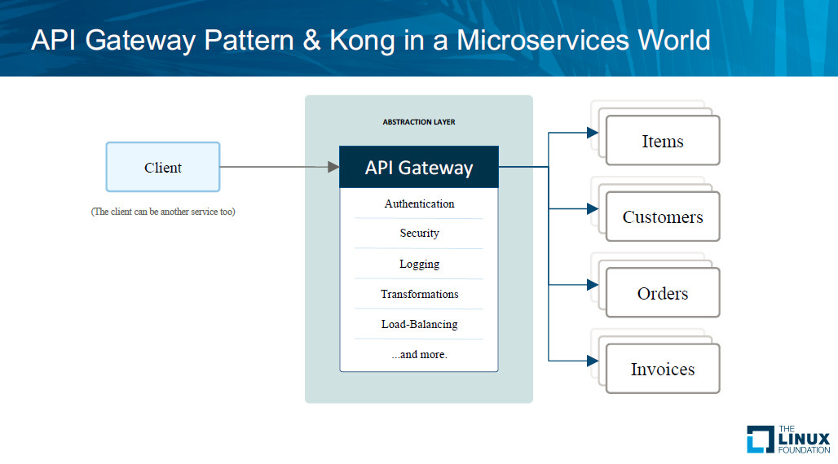

Natively Supported Features | API Gateway | ALB
IAM Intigration | Y | N
Request and Response Mapping | Y | N
request validation | Y | N
rate limiting | Y | N
SDK generation | Y | N
direct AWS service backend | Y | N
Request limit | 10000 | Unlimited

